Forgot password
Tast case ID | Title | Descreption | precondition | Test Steps | Test Data | Expected result | Actual Result | SEVERITY Critical-Major-Minor | PRIORITY High-Medium-Low | Status (Pass/Fail) | Attachments | Notes
1 | Verify the Forgot Password button | Verify that the Forgot Password button displays the required fields on the “Forgot Password” page. | 1-Open the website: https://www.bayt.com/en/jordan/ 2-Register on the site | 1- Open the website: https://www.bayt.com/en/jordan/ 2- Click on the Log In button 3- Click on the Forgot password In button | button: Forgot password | Display the fields required to recover the password | The required fields for successful password recovery are displayed | Critical | High | pas
2 | Verify password recovery | Verify password recovery using correct Google account email and incorrect password | 1-Open the website: https://www.bayt.com/en/jordan/ 2-Register on the site | 1- Open the website: https://www.bayt.com/en/jordan/ 2- Click on the Log In button 3- Fill out the required fields on the page Log in The following fields( Email Address or Username/ Password 4- click on the log in button 5-Displaying a message that the password is incorrect 6- Click on the Forgot password In button 7-Enter the required field to recover the password (email) 8- Click on Send Link 9- Open a Gmail email | Login page: Email:ward199757@gmail.com Password : Ward112233@ Forgot password page: Email:ward199757@gmail.com | An email will be sent containing a password recovery link | An email containing a password recovery link has been sent successfully | Critical | High | pas
3 | Verify the password recovery link | Checking the password recovery link it takes me to the password recovery page | 1-Open the website: https://www.bayt.com/en/jordan/ 2-Register on the site | 1- Open the website: https://www.bayt.com/en/jordan/ 2- Click on the Log In button 3- Fill out the required fields on the page Log in The following fields( Email Address or Username/ Password 4- click on the log in button 5-Displaying a message that the password is incorrect 6- Click on the Forgot password In button 7-Enter the required field to recover the password (email) 8- Click on Send Link 9- Open a Gmail email 10- Click on the Reset your password link | Login page: Email:ward199757@gmail.com Password : Ward112233@ Forgot password page: Email:ward199757@gmail.com | The required fields are displayed on the Reset your password page | The required fields were successfully displayed on the Reset your password page | Critical | High | pas | 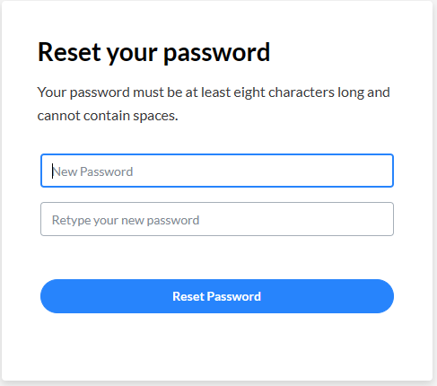
4 | Verify that you entered the password on the Reset your password page | Verify that you entered a password of less than 8 letters, numbers, and symbols on the Reset your password page. | 1-Open the website: https://www.bayt.com/en/jordan/ 2-Register on the site | 1- Open the website: https://www.bayt.com/en/jordan/ 2- Click on the Log In button 3- Fill out the required fields on the page Log in The following fields( Email Address or Username/ Password 4- click on the log in button 5-Displaying a message that the password is incorrect 6- Click on the Forgot password In button 7-Enter the required field to recover the password (email) 8- Click on Send Link 9- Open a Gmail email 10- Click on the Reset your password link 11- Enter the required fields: New password / Retype your new password 12- Click Reset Password button. | New password:1W@ Retype your new password:1W@ | Show warning messages on fields. New password: New Password is too short (minimum is 8 characters). Retype your new password: Retype your new password is too short (minimum is 8 characters). | Warning messages were displayed successfully | Critical | High | pas
5 | Verify that you entered the password on the Reset your password page | Make sure to enter a password of more than 30 letters, numbers, and symbols on your password reset page. | 1-Open the website: https://www.bayt.com/en/jordan/ 2-Register on the site | 1- Open the website: https://www.bayt.com/en/jordan/ 2- Click on the Log In button 3- Fill out the required fields on the page Log in The following fields( Email Address or Username/ Password 4- click on the log in button 5-Displaying a message that the password is incorrect 6- Click on the Forgot password In button 7-Enter the required field to recover the password (email) 8- Click on Send Link 9- Open a Gmail email 10- Click on the Reset your password link 11- Enter the required fields: New password / Retype your new password 12- Click Reset Password button. | New password:+30 letters, symbols and numbers Retype your new password:+30 letters, symbols and numbers | The site prevents me from entering more than 30 letters, symbols, and numbers in the new password field | The site prevents me from entering more than 30 letters, symbols, and numbers in the new password field | Major | Medium | pas
6 | Verify that you entered the password on the Reset your Password page | Make sure to enter your password on the password reset page, and enter a password that contains only 8 numbers | 1-Open the website: https://www.bayt.com/en/jordan/ 2-Register on the site | 1- Open the website: https://www.bayt.com/en/jordan/ 2- Click on the Log In button 3- Fill out the required fields on the page Log in The following fields( Email Address or Username/ Password 4- click on the log in button 5-Displaying a message that the password is incorrect 6- Click on the Forgot password In button 7-Enter the required field to recover the password (email) 8- Click on Send Link 9- Open a Gmail email 10- Click on the Reset your password link 11- Enter the required fields: New password / Retype your new password 12- Click Reset Password button. | New password:11111111 Retype your new password:11111111 | A warning message appears containing: Password must contain at least one number and one letter | The warning message was displayed successfully | Major | Medium | pas
7 | Verify that you entered the password on the Reset your Password page | Make sure to enter your password on the password reset page, and enter a password that contains only 8 letters | 1-Open the website: https://www.bayt.com/en/jordan/ 2-Register on the site | 1- Open the website: https://www.bayt.com/en/jordan/ 2- Click on the Log In button 3- Fill out the required fields on the page Log in The following fields( Email Address or Username/ Password 4- click on the log in button 5-Displaying a message that the password is incorrect 6- Click on the Forgot password In button 7-Enter the required field to recover the password (email) 8- Click on Send Link 9- Open a Gmail email 10- Click on the Reset your password link 11- Enter the required fields: New password / Retype your new password 12- Click Reset Password button. | New password:aaaaaaaa Retype your new password:aaaaaaaa | A warning message appears containing: Password must contain at least one number and one letter | The warning message was displayed successfully | Major | Medium | pas
8 | Verify that you entered the password on the Reset your Password page | Make sure to enter your password on the password reset page, and enter a password that contains only 8 Symbols | 1-Open the website: https://www.bayt.com/en/jordan/ 2-Register on the site | 1- Open the website: https://www.bayt.com/en/jordan/ 2- Click on the Log In button 3- Fill out the required fields on the page Log in The following fields( Email Address or Username/ Password 4- click on the log in button 5-Displaying a message that the password is incorrect 6- Click on the Forgot password In button 7-Enter the required field to recover the password (email) 8- Click on Send Link 9- Open a Gmail email 10- Click on the Reset your password link 11- Enter the required fields: New password / Retype your new password 12- Click Reset Password button. | New password:@@@@@@@@ Retype your new password:@@@@@@@@ | A warning message appears containing: Password must contain at least one number and one letter | The warning message was displayed successfully | Major | Medium | pas
9 | Verify that you entered the password on the Reset your Password page | Make sure to enter your password on the password reset page, and enter a password that contains more than 8 letters, numbers, and symbols. | 1-Open the website: https://www.bayt.com/en/jordan/ 2-Register on the site | 1- Open the website: https://www.bayt.com/en/jordan/ 2- Click on the Log In button 3- Fill out the required fields on the page Log in The following fields( Email Address or Username/ Password 4- click on the log in button 5-Displaying a message that the password is incorrect 6- Click on the Forgot password In button 7-Enter the required field to recover the password (email) 8- Click on Send Link 9- Open a Gmail email 10- Click on the Reset your password link 11- Enter the required fields: New password / Retype your new password 12- Click Reset Password button. | New password:Amjad12345@ Retype your new password:Amjad12345@ | The new password is updated and the site is logged in | The new password has been updated and you have successfully entered the site | Major | Medium | pas
10 | Verify password recovery | Check to recover your password using email if an incorrect email was entered on the “Forgot Password” page. | 1-Open the website: https://www.bayt.com/en/jordan/ 2-Register on the site | 1- Open the website: https://www.bayt.com/en/jordan/ 2- Click on the Log In button 3- Fill out the required fields on the page Log in The following fields( Email Address or Username/ Password 4- click on the log in button 4-Displaying a message that the password is incorrect 5- Click on the Forgot password In button 6-Enter the required field to recover the password (email) 7- Click on Send Link 8- Open a Gmail email | Email: Ward@gmai.com | The email will not receive any message because it is incorrect | The email will not receive any message because it is incorrect | Major | Medium | pas
11 | Verify password recovery | Verify password recovery by going directly to the “Forgot Password” page and entering a correct email | 1-Open the website: https://www.bayt.com/en/jordan/ 2-Register on the site | 1- Open the website: https://www.bayt.com/en/jordan/ 2- Click on the Log In button 3- Click on the Forgot password In button 4-Enter the required field to recover the password (email) 5- Click on Send Link 6- Open a Gmail email 7- Click on the reset your password link sent to the email 8- Enter the required fields: New password / Retype your new password 9- Click Reset Password button. | Forgot password page: Email:ward199757@gmail.com | A message will be sent containing a link to recover the password and reset the password | A message was sent containing a link to recover the password and reset the password successfully | Major | Medium | pas

CV Services
Tast case ID | Title | Descreption | precondition | Test Steps | Test Data | Expected result | Actual Result | SEVERITY Critical-Major-Minor | PRIORITY High-Medium-Low | Status (Pass/Fail) | Attachments | Notes
1 | Verify the CV Services page | Verify the "CV Services" page it displays all items Before logging into the site | 1-Open the website: https://www.bayt.com/en/jordan/ | 1- Open the website: https://www.bayt.com/en/jordan/ 2- Click on the CV Services button | CV Services button | All elements of the CV Services page are displayed | All elements of the CV Services page have been displayed successfully | Critical | High | pas
2 | Verify out our paid CV creation services | Verify Paid CV Creation Services (Entry Level Option) | 1-Open the website: https://www.bayt.com/en/jordan/ | 1- Open the website: https://www.bayt.com/en/jordan/ 2- Click on the CV Services button 3- Click on the option to create a CV (Entry Level) | option Entry Level | The price for creating the CV is displayed, the price for the additions you want on the CV, and the final price is displayed | The price for creating the CV and the price for the additions you want on the CV have been displayed and the final price is displayed successfully | Major | Medium | pas
3 | Verify out our paid CV creation services | Verify your purchase of paid CV creation services (entry level option) | 1-Open the website: https://www.bayt.com/en/jordan/ 2- Log in to Bayt.com | "1- Open the website: https://www.bayt.com/en/jordan/ 2- Log in to Bayt.com 3- Click on the CV Services button 4- Click on the option to create a CV (Entry Level)" 5-Choose to create a CV 6-Choose the additions on the CV by placing a check on the addition that you want 7- Click on the "Order Now" button | The additions you chose on the CV: mid-career CV writing Multiple CV formats Linkedin profile | The price for the services is displayed, the final value of the services you chose is calculated, and you move to the payment page | The price for the services is displayed, the final value of the services you chose is calculated, and you move to the payment page successfully | Minor | Medium | pas | 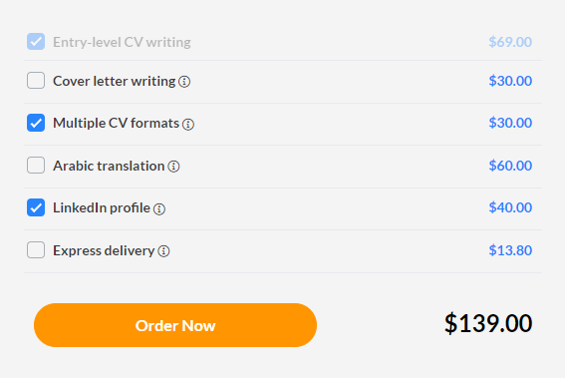
4 | Verify the payment page for your chosen services | Verify the payment page for your chosen services | 1-Open the website: https://www.bayt.com/en/jordan/ 2- Log in to Bayt.com | "1- Open the website: https://www.bayt.com/en/jordan/ 2- Log in to Bayt.com 3- Click on the CV Services button 4- Click on the option to create a CV (Entry Level)" 5-Choose to create a CV 6-Choose the additions on the CV by placing a check on the addition that you want 7- Click on the "Order Now" button | Order Now button | Details of the name and price of the services, the final price and tax are displayed, and the option to complete the purchase process is displayed (entering Credit Card/Paypal data) | Details of the name and price of the services, the final price and tax were displayed, and the option to complete the purchase process (entering Credit Card/Paypal data) successfully was presented. | Major | Medium | pas
5 | Verify out our paid CV creation services | Verify Paid CV Creation Services (Junior Level option) | 1-Open the website: https://www.bayt.com/en/jordan/ | 1- Open the website: https://www.bayt.com/en/jordan/ 2- Click on the CV Services button 3- Click on the option to create a CV (Junior Level ) | (Junior Level option) | The price for creating the CV is displayed, the price for the additions you want on the CV, and the final price is displayed | The price for creating the CV and the price for the additions you want on the CV have been displayed and the final price is displayed successfully | Major | Medium | pas
6 | Verify out our paid CV creation services | Verify your purchase of paid CV creation services (Junior Level option) | 1-Open the website: https://www.bayt.com/en/jordan/ 2- Log in to Bayt.com | "1- Open the website: https://www.bayt.com/en/jordan/ 2- Log in to Bayt.com 3- Click on the CV Services button 4- Click on the option to create a CV (Junior Level) 5-Choose to create a CV 6-Choose the additions on the CV by placing a check on the addition that you want 7- Click on the "Order Now" button | The additions you chose on the CV: junior-level CV writing Arabic translation | The price for the services is displayed, the final value of the services you chose is calculated, and you move to the payment page | The price for the services is displayed, the final value of the services you chose is calculated, and you move to the payment page successfully | Minor | Medium | pas | 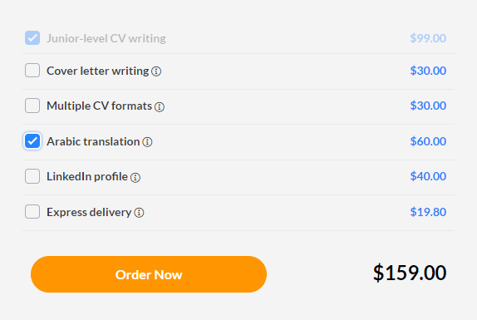
7 | Verify out our paid CV creation services | Verify Paid CV Creation Services (Mid‑Career Level option ) | 1-Open the website: https://www.bayt.com/en/jordan/ | 1- Open the website: https://www.bayt.com/en/jordan/ 2- Click on the CV Services button 3- Click on the option to create a CV (Mid‑Career Level ) | (Mid‑Career Level option) | The price for creating the CV is displayed, the price for the additions you want on the CV, and the final price is displayed | The price for creating the CV and the price for the additions you want on the CV have been displayed and the final price is displayed successfully | Major | Medium | pas
8 | Verify out our paid CV creation services | Verify your purchase of paid CV creation services (Mid‑Career Level option ) | 1-Open the website: https://www.bayt.com/en/jordan/ 2- Log in to Bayt.com | "1- Open the website: https://www.bayt.com/en/jordan/ 2- Log in to Bayt.com 3- Click on the CV Services button 4- Click on the option to create a CV (Mid‑Career Level ) 5-Choose to create a CV 6-Choose the additions on the CV by placing a check on the addition that you want 7- Click on the "Order Now" button | The additions you chose on the CV: Mid-career CV writing Express delivery | The price for the services is displayed, the final value of the services you chose is calculated, and you move to the payment page | The price for the services is displayed, the final value of the services you chose is calculated, and you move to the payment page successfully | Minor | Medium | pas | 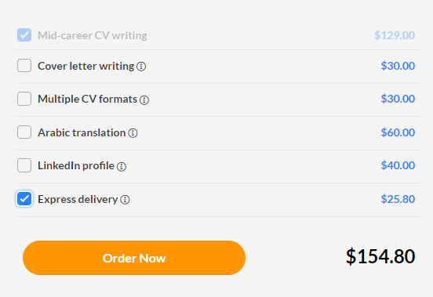
9 | Verify out our paid CV creation services | Verify Paid CV Creation Services (Senior Level option ) | 1-Open the website: https://www.bayt.com/en/jordan/ | 1- Open the website: https://www.bayt.com/en/jordan/ 2- Click on the CV Services button 3- Click on the option to create a CV (Senior Level ) | (Senior Level option) | The price for creating the CV is displayed, the price for the additions you want on the CV, and the final price is displayed | The price for creating the CV and the price for the additions you want on the CV have been displayed and the final price is displayed successfully | Major | Medium | pas
10 | Verify out our paid CV creation services | Verify your purchase of paid CV creation services (Senior Level option ) | 1-Open the website: https://www.bayt.com/en/jordan/ 2- Log in to Bayt.com | "1- Open the website: https://www.bayt.com/en/jordan/ 2- Log in to Bayt.com 3- Click on the CV Services button 4- Click on the option to create a CV (Senior Level ) 5-Choose to create a CV 6-Choose the additions on the CV by placing a check on the addition that you want 7- Click on the "Order Now" button | The additions you chose on the CV: Senior-level CV writing Multiple CV formats Arabic translation Express delivery | The price for the services is displayed, the final value of the services you chose is calculated, and you move to the payment page | The price for the services is displayed, the final value of the services you chose is calculated, and you move to the payment page successfully | Minor | Medium | pas | 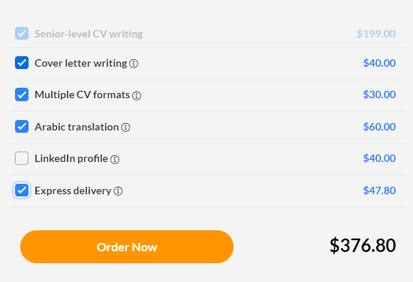
11 | Verify the Visual CV Templates option page located in the CV Services page options | Verify the Visual CV Templates option page located in the CV Services page options | 1-Open the website: https://www.bayt.com/en/jordan/ 2- Log in to Bayt.com | "1- Open the website: https://www.bayt.com/en/jordan/ 2- Log in to Bayt.com 3-Place your mouse over the CV Services button and a menu of options will appear 4-Choose the Visual CV Templates option | Visual CV Templates option | The General page details are displayed with the Visual CV Templates option | The general page details of the Visual CV Templates option were displayed successfully | Minor | Medium | pas
12 | Verify that the CV templates page in the Visual CV Templates option is displayed | Verify that the CV templates page in the Visual CV Templates option is displayed | 1-Open the website: https://www.bayt.com/en/jordan/ 2- Log in to Bayt.com | "1- Open the website: https://www.bayt.com/en/jordan/ 2- Log in to Bayt.com 3-Place your mouse over the CV Services button and a menu of options will appear 4-Choose the Visual CV Templates option 5-Click the "View Samples" button | View Samples button | Display ready-made CV templates and display a message (You can choose 1 template for $50) | Ready-made resume and cover letter templates (you can choose one for $50) were successfully displayed | Minor | Medium | pas
13 | Verify that you have chosen a CV template from the Visual CV Templates option | Verify that you have chosen a CV template from the Visual CV Templates option | 1-Open the website: https://www.bayt.com/en/jordan/ 2- Log in to Bayt.com | "1- Open the website: https://www.bayt.com/en/jordan/ 2- Log in to Bayt.com 3-Place your mouse over the CV Services button and a menu of options will appear 4-Choose the Visual CV Templates option 5-Click the "View Samples" button 6-Choose the appropriate template by placing the check | Name of the template you chose: STANDARD | An icon appears at the bottom of the screen after placing a check on the appropriate template, and it displays: Proceed to Checkout Butten / Subtotal: $50 | An icon appears at the bottom of the screen after placing a check on the appropriate template, and it displays: Proceed to Checkout Butten / Subtotal: $50 | Minor | Medium | pas
14 | Verify the page to complete the purchase of a CV template | Verify the page to complete the purchase of a CV template | 1-Open the website: https://www.bayt.com/en/jordan/ 2- Log in to Bayt.com | "1- Open the website: https://www.bayt.com/en/jordan/ 2- Log in to Bayt.com 3-Place your mouse over the CV Services button and a menu of options will appear 4-Choose the Visual CV Templates option 5-Click the "View Samples" button 6-Choose the appropriate template by placing the check 7-Click on the Proceed to Checkout button that appears at the bottom of the screen | Proceed to Checkout button | Payment Information and the fields required to complete the payment process (Credit Card/Paypal) are displayed. | Payment Information and the fields required to successfully complete the payment process (Credit Card/Paypal) are displayed | Minor | Medium | pas | 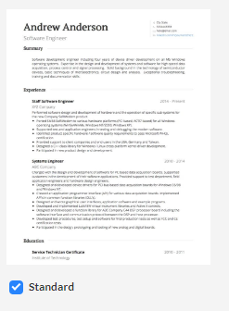
15 | Verify that you have chosen a CV template from the Visual CV Templates option | Verify that you have chosen a CV template from the Visual CV Templates option | 1-Open the website: https://www.bayt.com/en/jordan/ 2- Log in to Bayt.com | "1- Open the website: https://www.bayt.com/en/jordan/ 2- Log in to Bayt.com 3-Place your mouse over the CV Services button and a menu of options will appear 4-Choose the Visual CV Templates option 5-Click the "View Samples" button 6-Choose the appropriate template by placing the check | Name of the template you chose: Oak | An icon appears at the bottom of the screen after placing a check on the appropriate template, and it displays: Proceed to Checkout Butten / Subtotal: $50 | An icon appears at the bottom of the screen after placing a check on the appropriate template, and it displays: Proceed to Checkout Butten / Subtotal: $50 | Minor | Medium | pas
16 | Verify that more than one CV template is selected from the CV Templates option | Verify that more than one CV template is selected from the CV Templates option | 1-Open the website: https://www.bayt.com/en/jordan/ 2- Log in to Bayt.com | "1- Open the website: https://www.bayt.com/en/jordan/ 2- Log in to Bayt.com 3-Place your mouse over the CV Services button and a menu of options will appear 4-Choose the Visual CV Templates option 5-Click the "View Samples" button 6-Choose more than one CV template by placing a check | Name of the template you chose: Air Slate Oak | A message is displayed at the head of the page showing the number of selected templates and the price: You can choose 3 template for $80 | A message was displayed at the head of the page showing the number of templates selected and the price: You can choose 3 template for $80 | Minor | Medium | pas
17 | Verify the purchase page for more than one CV template | Verify the purchase page for more than one CV template | 1-Open the website: https://www.bayt.com/en/jordan/ 2- Log in to Bayt.com | "1- Open the website: https://www.bayt.com/en/jordan/ 2- Log in to Bayt.com 3-Place your mouse over the CV Services button and a menu of options will appear 4-Choose the Visual CV Templates option 5-Click the "View Samples" button 6-Choose the appropriate template by placing the check 7-Click on the Proceed to Checkout button that appears at the bottom of the screen | Name of the template you chose: Air Slate Oak button: Proceed to Checkout | Payment Information and the fields required to complete the payment process (Credit Card/Paypal) are displayed. | Payment Information and the fields required to successfully complete the payment process (Credit Card/Paypal) are displayed | Minor | Medium | pas
18 | Verify the Cover Letter Writing service on the CV Services page | Verify the Cover Letter Writing service on the CV Services page | 1-Open the website: https://www.bayt.com/en/jordan/ 2- Log in to Bayt.com | 1- Open the website: https://www.bayt.com/en/jordan/ 2- Log in to Bayt.com 3-Place your mouse over the CV Services button and a menu of options will appear 4-Choose the Cover Letter Writing Services page | button: Cover Letter Writing | Cover Letter Writing service offerings are displayed | Cover letter writing service offers have been successfully viewed | Minor | Low | pas | 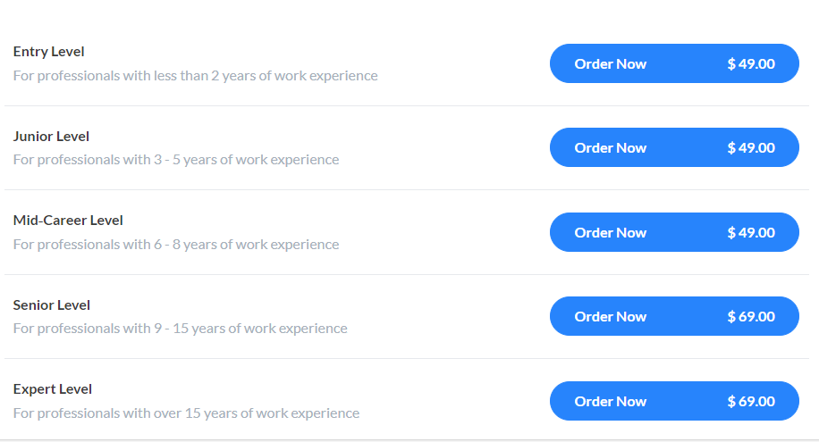
19 | Verify that you have completed your purchase of Cover Letter Writing services (entry level option) | Verify that you have completed your purchase of Cover Letter Writing services (entry level option) | 1-Open the website: https://www.bayt.com/en/jordan/ 2- Log in to Bayt.com | 1- Open the website: https://www.bayt.com/en/jordan/ 2- Log in to Bayt.com 3-Place your mouse over the CV Services button and a menu of options will appear 4-Choose the Cover Letter Writing Services page 5- Choose (entry level option) and click the Order Now button | button: Order Now | The (Payment Information) page and fields for entering payment data (Credit Card/Paypal) are displayed | The (Payment Information) page and the payment data entry fields (Credit Card/PayPal) have been successfully displayed. | Minor | Low | pas
21 | Verify that you have completed your purchase of Cover Letter Writing services (Junior Level option) | Verify that you have completed your purchase of Cover Letter Writing services (Junior Level option) | 1-Open the website: https://www.bayt.com/en/jordan/ 2- Log in to Bayt.com | 1- Open the website: https://www.bayt.com/en/jordan/ 2- Log in to Bayt.com 3-Place your mouse over the CV Services button and a menu of options will appear 4-Choose the Cover Letter Writing Services page 5- Choose (Junior Level option) and click the Order Now button | button: Order Now | The (Payment Information) page and fields for entering payment data (Credit Card/Paypal) are displayed | The (Payment Information) page and the payment data entry fields (Credit Card/PayPal) have been successfully displayed. | Minor | Low | pas
22 | Verify that you have completed your purchase of Cover Letter Writing services (Mid‑Career Level option) | Verify that you have completed your purchase of Cover Letter Writing services (Mid‑Career Level option) | 1-Open the website: https://www.bayt.com/en/jordan/ 2- Log in to Bayt.com | 1- Open the website: https://www.bayt.com/en/jordan/ 2- Log in to Bayt.com 3-Place your mouse over the CV Services button and a menu of options will appear 4-Choose the Cover Letter Writing Services page 5- Choose (Mid‑Career Level option) and click the Order Now button | button: Order Now | The (Payment Information) page and fields for entering payment data (Credit Card/Paypal) are displayed | The (Payment Information) page and the payment data entry fields (Credit Card/PayPal) have been successfully displayed. | Minor | Low | pas
23 | Verify that you have completed your purchase of Cover Letter Writing services (Senior Level option) | Verify that you have completed your purchase of Cover Letter Writing services (Senior Level option) | 1-Open the website: https://www.bayt.com/en/jordan/ 2- Log in to Bayt.com | 1- Open the website: https://www.bayt.com/en/jordan/ 2- Log in to Bayt.com 3-Place your mouse over the CV Services button and a menu of options will appear 4-Choose the Cover Letter Writing Services page 5- Choose (Senior Level option) and click the Order Now button | button: Order Now | The (Payment Information) page and fields for entering payment data (Credit Card/Paypal) are displayed | The (Payment Information) page and the payment data entry fields (Credit Card/PayPal) have been successfully displayed. | Minor | Low | pas
24 | Verify that you have completed your purchase of Cover Letter Writing services (Expert Level option) | Verify that you have completed your purchase of Cover Letter Writing services (Expert Level option) | 1-Open the website: https://www.bayt.com/en/jordan/ 2- Log in to Bayt.com | 1- Open the website: https://www.bayt.com/en/jordan/ 2- Log in to Bayt.com 3-Place your mouse over the CV Services button and a menu of options will appear 4-Choose the Cover Letter Writing Services page 5- Choose (Expert Level option) and click the Order Now button | button: Order Now | The (Payment Information) page and fields for entering payment data (Credit Card/Paypal) are displayed | The (Payment Information) page and the payment data entry fields (Credit Card/PayPal) have been successfully displayed. | Minor | Low | pas

Find Jobs
Tast case ID | Title | Descreption | precondition | Test Steps | Test Data | Expected result | Actual Result | SEVERITY Critical-Major-Minor | PRIORITY High-Medium-Low | Status (Pass/Fail) | Attachments | Notes
1 | Verify the Find Jobs page | Verify the Find Jobs page | 1-Open the website: https://www.bayt.com/en/jordan/ 2- Log in to Bayt.com | "1- Open the website: https://www.bayt.com/en/jordan/ 2- Log in to Bayt.com 3- Click on the Find Jobs page button | Log in page : Email: ward199757@yahoo.com Password: Ward1997!!!!! Button: Find Job | The contents and sections of the Find Jobs page will be shown: Jobs by Title Popular Job Titles Jobs by City Jobs by Country Find the Latest Jobs in Jordan Find the Latest Jobs in the GCC Get a Professional CV Which Employers Will Love | The contents and sections of theFind Jobs page have been successfully presented. | Critical | High | pas
2 | Verify the search on the Find Jobs page | Verify the search on the Find Jobs page by entering (job name/address:) | 1-Open the website: https://www.bayt.com/en/jordan/ 2- Log in to Bayt.com | 1- Open the website: https://www.bayt.com/en/jordan/ 2- Log in to Bayt.com 3- Click on the Find Jobs button 4-Fill out the required fields for searching: Search jobs, skills, companies/ address: 5-Click on the Find jobs button | Search jobs, skills, companies: Data Entry address: Jordan | Showing data entry jobs in Jordan | Successfully offered data entry jobs in Jordan | Critical | High | pas
3 | Verify the search on the Find Jobs page | Verify the search on the Find Jobs page by entering (job name/address:) | 1-Open the website: https://www.bayt.com/en/jordan/ 2- Log in to Bayt.com | 1- Open the website: https://www.bayt.com/en/jordan/ 2- Log in to Bayt.com 3- Click on the Find Jobs button 4-Fill out the required fields for searching: Search jobs, skills, companies/ address: 5-Click on the Find jobs button | Search jobs, skills, companies:Data collector address: Kuwait | Showing Data collector jobs in Kuwait | Successfully offered Data collector jobs in Kuwait | Critical | High | pas
4 | Verify the Recommended Jobs page option located within the drop-down menu in the Find Jobs button | Verify the Recommended Jobs page option located within the drop-down menu in the Find Jobs button | 1-Open the website: https://www.bayt.com/en/jordan/ 2- Log in to Bayt.com | 1- Open the website: https://www.bayt.com/en/jordan/ 2- Log in to Bayt.com 3- Place your mouse over the Find Jobs button 4-Choose the Recommended Jobs page from the drop-down menu | Button: Recommended Jobs | Recommended jobs based on the information, data and experience added are displayed on the My CV page | Recommended jobs based on the information, data and experience added on the My CV page have been successfully displayed | Major | Medium | pas
5 | Verify the Saved Jobs page option located within the drop-down menu in the Find Jobs button | Verify the Saved Jobs page option located within the drop-down menu in the Find Jobs button | 1-Open the website: https://www.bayt.com/en/jordan/ 2- Log in to Bayt.com | 1- Open the website: https://www.bayt.com/en/jordan/ 2- Log in to Bayt.com 3- Place your mouse over the Find Jobs button 4-Choose the Saved Jobs page from the drop-down menu | Button: Saved Jobs | Any jobs you have saved are shown below On the Saved Jobs page. | Any jobs you have saved are shown below On the Saved Jobs page. | Critical | High | pas
6 | Verify the Jobs by Sector page option located within the drop-down menu in the Find Jobs button | Verify the Jobs by Sector page option located within the drop-down menu in the Find Jobs button | 1-Open the website: https://www.bayt.com/en/jordan/ 2- Log in to Bayt.com | 1- Open the website: https://www.bayt.com/en/jordan/ 2- Log in to Bayt.com 3- Place your mouse over the Find Jobs button 4-Choose the Jobs by Sectors page from the drop-down menu | Button: Jobs by Sectors | The Jobs by Sector page on Bayt.com showcases job sectors according to the positions provided by companies and human resources personnel. | The Jobs by Sector page on Bayt.com showcases job sectors according to the positions provided by companies and human resources personnel. | Critical | High | pas
7 | Verify by searching within the Jobs by Sector page by sector | Verify by searching within the Jobs by Sector page by sector | 1-Open the website: https://www.bayt.com/en/jordan/ 2- Log in to Bayt.com | 1- Open the website: https://www.bayt.com/en/jordan/ 2- Log in to Bayt.com 3- Place your mouse over the Find Jobs button 4-Choose the Jobs by Sectors page from the drop-down menu 5-Fill in the search fields: Country: City: | Country:jordan City: Amman | The job sectors offered within the country of Jordan and the city of Amman are displayed | The job sectors offered within the country of Jordan and the city of Amman are displayed | Critical | High | pas
8 | Verify by searching within the Jobs by Sector page by sector | Verify by searching within the Jobs by Sector page by sector | 1-Open the website: https://www.bayt.com/en/jordan/ 2- Log in to Bayt.com | 1- Open the website: https://www.bayt.com/en/jordan/ 2- Log in to Bayt.com 3- Place your mouse over the Find Jobs button 4-Choose the Jobs by Sectors page from the drop-down menu 5-Fill in the search fields: Country: City: | Country:jordan City: All cities | The job sectors offered within the country of Jordan and the all city of Jordan are displayed | The job sectors offered within the country of Jordan and the all city of Jordan are displayed | Critical | High | pas
9 | Verify by searching within the Jobs by Sector page by sector | Verify by searching within the Jobs by Sector page by sector | 1-Open the website: https://www.bayt.com/en/jordan/ 2- Log in to Bayt.com | 1- Open the website: https://www.bayt.com/en/jordan/ 2- Log in to Bayt.com 3- Place your mouse over the Find Jobs button 4-Choose the Jobs by Sectors page from the drop-down menu 5-Fill in the search fields: Country: City: | Country: Egypt City: Cairo | The job sectors offered within the country of Egypt and the city of Cairo are displayed | The job sectors offered within the country of Egypt and the city of Cairo are displayed | Critical | High | pas
10 | Verify by searching within the Jobs by Sector page by sector | Verify by searching within the Jobs by Sector page by sector | 1-Open the website: https://www.bayt.com/en/jordan/ 2- Log in to Bayt.com | 1- Open the website: https://www.bayt.com/en/jordan/ 2- Log in to Bayt.com 3- Place your mouse over the Find Jobs button 4-Choose the Jobs by Sectors page from the drop-down menu 5-Fill in the search fields: Country: City: | Country:Kuwait City: All cities | The job sectors offered within the country of Kuwait and the all city of Kuwait are displayed | The job sectors offered within the country of Kuwait and the all city of Kuwait are displayed | Critical | High | pas
11 | Verify the Jobs by Location page option located within the drop-down menu in the Find Jobs button | Verify the Jobs by Location page option located within the drop-down menu in the Find Jobs button | 1-Open the website: https://www.bayt.com/en/jordan/ 2- Log in to Bayt.com | 1- Open the website: https://www.bayt.com/en/jordan/ 2- Log in to Bayt.com 3- Place your mouse over the Find Jobs button 4-Choose the Jobs by Location page from the drop-down menu | Button: Jobs by Location | Countries Hiring in the Middle East is displayed (country icon, country name, and number of jobs available in it) | Countries Hiring in the Middle East is displayed (country icon, country name, and number of jobs available in it) | Major | Medium | pas
12 | Verify the available jobs in the Jordan country icon on the Jobs by Location page | Verify the available jobs in the Jordan country icon on the Jobs by Location page | 1-Open the website: https://www.bayt.com/en/jordan/ 2- Log in to Bayt.com | 1- Open the website: https://www.bayt.com/en/jordan/ 2- Log in to Bayt.com 3- Place your mouse over the Find Jobs button 4-Choose the Jobs by Location page from the drop-down menu 5- Click on the Jordan country icon button | Jordan country icon button | All jobs offered within the State of Jordan are displayed | All jobs offered within the State of Jordan are displayed | Critical | High | pas
13 | Verify the available jobs in the Lebanon country icon on the Jobs by Location page | Verify the available jobs in the Lebanon country icon on the Jobs by Location page | 1-Open the website: https://www.bayt.com/en/jordan/ 2- Log in to Bayt.com | 1- Open the website: https://www.bayt.com/en/jordan/ 2- Log in to Bayt.com 3- Place your mouse over the Find Jobs button 4-Choose the Jobs by Location page from the drop-down menu 5- Click on the Lebanon country icon button | Lebanon country icon button | All jobs offered within the State of Lebanon are displayed | All jobs offered within the State of Lebanon are displayed | Critical | High | pas
14 | Verify the available jobs in the Saudi Arabia country icon on the Jobs by Location page | Verify the available jobs in the Saudi Arabia country icon on the Jobs by Location page | 1-Open the website: https://www.bayt.com/en/jordan/ 2- Log in to Bayt.com | 1- Open the website: https://www.bayt.com/en/jordan/ 2- Log in to Bayt.com 3- Place your mouse over the Find Jobs button 4-Choose the Jobs by Location page from the drop-down menu 5- Click on the Saudi Arabia country icon button | Saudi Arabia country icon button | All jobs offered within the State of Saudi Arabia are displayed | All jobs offered within the State of Saudi Arabia are displayed | Critical | High | pas
15 | Verify the Jobs by Companies page option located within the drop-down menu in the Find Jobs button | Verify the Jobs by Companies page option located within the drop-down menu in the Find Jobs button | 1-Open the website: https://www.bayt.com/en/jordan/ 2- Log in to Bayt.com | 1- Open the website: https://www.bayt.com/en/jordan/ 2- Log in to Bayt.com 3- Place your mouse over the Find Jobs button 4-Choose the Jobs by Companies page from the drop-down menu | Button: Jobs by Companies | Companies Hiring in the Gulf & Middle East and the number of jobs in each company are displayed | Companies Hiring in the Gulf & Middle East and the number of jobs in each company are displayed | Major | Medium | pas
16 | Verify the jobs offered for each company | Verify the jobs offered for each company | 1-Open the website: https://www.bayt.com/en/jordan/ 2- Log in to Bayt.com | 1- Open the website: https://www.bayt.com/en/jordan/ 2- Log in to Bayt.com 3- Place your mouse over the Find Jobs button 4-Choose the Jobs by Companies page from the drop-down menu 5- Click on the company name | Number of companies page: 1 company name: TASC Outsourcing | Your selected TASC Outsourcing company jobs are displayed | Your selected TASC Outsourcing company jobs are displayed | Major | Medium | pas
17 | Verify the jobs offered for each company | Verify the jobs offered for each company | 1-Open the website: https://www.bayt.com/en/jordan/ 2- Log in to Bayt.com | 1- Open the website: https://www.bayt.com/en/jordan/ 2- Log in to Bayt.com 3- Place your mouse over the Find Jobs button 4-Choose the Jobs by Companies page from the drop-down menu 5- Click on the company name | Number of companies page: 2 company name: Weatherford - United Kingdom | Your selected Weatherford - United Kingdom company jobs are displayed | Your selected Weatherford - United Kingdom company jobs are displayed | Major | Medium | pas
18 | Verify the Executive Jobs page option located within the drop-down menu in the Find Jobs button | Verify the Executive Jobs page option located within the drop-down menu in the Find Jobs button | 1-Open the website: https://www.bayt.com/en/jordan/ 2- Log in to Bayt.com | 1- Open the website: https://www.bayt.com/en/jordan/ 2- Log in to Bayt.com 3- Place your mouse over the Find Jobs button 4-Choose the Executive Jobs page from the drop-down menu | Button: Executive Jobs | Showing Executive Level Jobs in Middle East | Showing Executive Level Jobs in Middle East | Major | Medium | pas
19 | Verify that search results for Executive Level Jobs in Jordan are shown on the Executive Jobs page | Verify that search results for Executive Level Jobs in Jordan are shown on the Executive Jobs page | 1-Open the website: https://www.bayt.com/en/jordan/ 2- Log in to Bayt.com | 1- Open the website: https://www.bayt.com/en/jordan/ 2- Log in to Bayt.com 3- Place your mouse over the Find Jobs button 4-Choose the Executive Jobs page from the drop-down menu 5- Fill out the required fields for search 6-Click on the Find Job button | Sector name: Executive Jobs Location: Jordan | Search results for Executive Level Jobs in Jordan are displayed | Search results for Executive Level Jobs in Jordan are displayed | Minor | Medium | pas
20 | Verify that search results for Executive Level Jobs in Jordan are shown on the Executive Jobs page | Verify that search results for Executive Level Jobs in Jordan are shown on the Executive Jobs page | 1-Open the website: https://www.bayt.com/en/jordan/ 2- Log in to Bayt.com | 1- Open the website: https://www.bayt.com/en/jordan/ 2- Log in to Bayt.com 3- Place your mouse over the Find Jobs button 4-Choose the Executive Jobs page from the drop-down menu 5- Fill out the required fields for search 6-Click on the Find Job button | Sector name: Executive Jobs Location: Oman | Search results for Executive Level Jobs in Oman are displayed | Search results for Executive Level Jobs in Oman are displayed | Minor | Medium | pas
21 | Verify the Work from Home Jobs page option located within the drop-down menu in the Find Jobs button | Verify the Work from Home Jobs page option located within the drop-down menu in the Find Jobs button | 1-Open the website: https://www.bayt.com/en/jordan/ 2- Log in to Bayt.com | 1- Open the website: https://www.bayt.com/en/jordan/ 2- Log in to Bayt.com 3- Place your mouse over the Find Jobs button 4-Choose the Work from Home page from the drop-down menu | Button: Work from Home | Icons are displayed containing images of countries, the name of the country, and the number of jobs available from home | Icons are displayed containing images of countries, the name of the country, and the number of jobs available from home | Major | Medium | pas
22 | Verify the jobs available in each country on the work from home page | Verify the jobs available in each country on the work from home page | 1-Open the website: https://www.bayt.com/en/jordan/ 2- Log in to Bayt.com | 1- Open the website: https://www.bayt.com/en/jordan/ 2- Log in to Bayt.com 3- Place your mouse over the Find Jobs button 4-Choose the Work from Home page from the drop-down menu 5-Click on the country icon | Country icon name: Morocco | Showing work from home jobs in Morocco | Showing work from home jobs in Morocco | Major | Medium | pas
23 | Verify the Salary Jobs page option located within the drop-down menu in the Find Jobs button | Verify the Salary Jobs page option located within the drop-down menu in the Find Jobs button | 1-Open the website: https://www.bayt.com/en/jordan/ 2- Log in to Bayt.com | 1- Open the website: https://www.bayt.com/en/jordan/ 2- Log in to Bayt.com 3- Place your mouse over the Find Jobs button 4-Choose the Salary page from the drop-down menu | Button: Salary | The contents of the Salary page are displayed | The contents of the Salary page are displayed | Minor | Low | pas
24 | Verify your job search results and salary | Verify your job search results and salary | 1-Open the website: https://www.bayt.com/en/jordan/ 2- Log in to Bayt.com | 1- Open the website: https://www.bayt.com/en/jordan/ 2- Log in to Bayt.com 3- Place your mouse over the Find Jobs button 4-Choose the Salary page from the drop-down menu 5-Fill out the required fields for search 6-Click on the search button | Entry a job title:software engineer location: Jordan button: search | Search results for Software Engineer Salaries in Jordan are displayed Job Title/ Average | Search results for Software Engineer Salaries in Jordan are displayed Job Title/ Average | Minor | Low | pas | 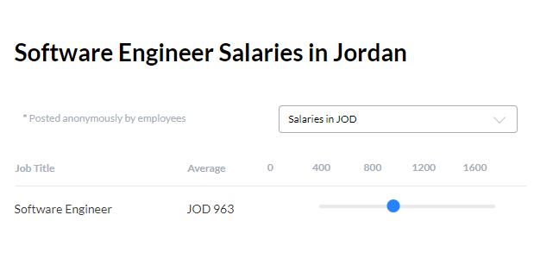
25 | Verify your job search results and salary | Verify your job search results and salary | 1-Open the website: https://www.bayt.com/en/jordan/ 2- Log in to Bayt.com | 1- Open the website: https://www.bayt.com/en/jordan/ 2- Log in to Bayt.com 3- Place your mouse over the Find Jobs button 4-Choose the Salary page from the drop-down menu 5-Fill out the required fields for search 6-Click on the search button | Entry a job title:Data Entry location: Saudi Arabia button: search | Search results for Data Entry Salaries in Saudi Arabia are displayed Job Title/ Average | Search results for Data Entry Salaries in Saudi Arabia are displayed Job Title/ Average | Minor | Low | pas

